GUI CGI SPEC
Xmind
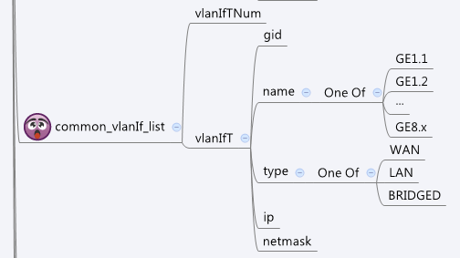

Behavior
# Limitations: Max vlanIf Table Size = 128

[UI Display Name] | [CGI Name] | [JSON Name] | [Description]
N/A | common_vlanIf_list.cgi | guiVlanIfTNum | int
guiVlanIfT:
N/A | common_vlanIf_list.cgi | guiVlanIfT.gid | int, unique id of zone object
N/A | common_vlanIf_list.cgi | guiVlanIfT.name | All viewable ASCII code except (whitespace) ‘ ` “ % ?
N/A | common_vlanIf_list.cgi | guiVlanIfT.type | 0: LAN 1:WAN, 2: Bridged
N/A | common_portIf_list.cgi | guiPortIfT.ip | ip address of this port. It might be empty if no ip configured for the port
N/A | common_portIf_list.cgi | guiPortIfT.netmask | netmask of the port

JSON String
common_vlanIf_list.cgi
## GET for get previous settings ##
{ "guiVlanIfTNum": 1, "guiVlanIfT": [ { "gid": 851968, "name": "GE8.10", "type": 0, "ip": "192.168.51.1", "netmask": "255.255.255.0" } ] }
## NO POST Method

